Task 2
Screen | Description
0 | Use radio or toggle buttons & process their events

Screen | 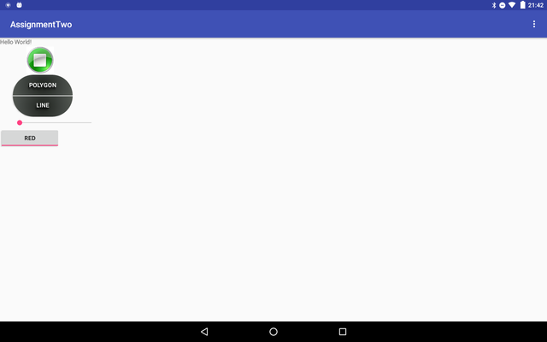 EXAMPLE: Screen shot of the functionality working (use widows snipping tool or equivalent on your OS)

Code 1 | tgglBtn = (ToggleButton) findViewById(R.id.tgglBtn); tgglBtn.setChecked(true);
Code 2 | public int setTgglBtnColor(boolean b){ if(tgglBtn.isChecked()){ Log.d(TAG,"BA.tggl red : " + R.color.coolRed); return R.color.coolRed; }else { Log.d(TAG,"BA.tggl green : " + R.color.coolGreen ); return R.color.green; } }
Code 3 | <ToggleButton android:id="@+id/tgglBtn" android:layout_width="140dp" android:layout_height="wrap_content" android:layout_below="@id/simpleSeekBar" android:textOn="red" android:textOff="green"/>

 | Add more app or code screen shots if you need to.
 | Anything special about the way this task was done?

Task 3
Screen | Description
0 | List or spinner & process it's events

Screen | 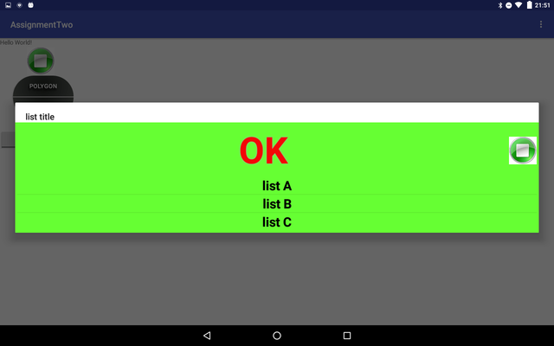 EXAMPLE: Screen shot of the functionality working (use widows snipping tool or equivalent on your OS)

Code 1 | <ImageButton android:id="@+id/alertBtn" android:layout_width="128dp" android:layout_height="wrap_content" android:gravity="center" android:layout_below="@+id/text" android:layout_marginTop="2dp" android:layout_marginLeft="30dp" android:onClick="onClickAlertBtn" android:src="@drawable/alert_btn" android:background="@android:color/transparent" />
Code 2 | public void onClickAlertBtn(View view) { android.util.Log.d(TAG, "BA.onClickAlertBtn"); ListDialog listDialog = ListDialog.newInstance(); listDialog.show(getFragmentManager(), "dialog"); }
Code 3 | public class ListDialog extends DialogFragment { public String TAG = "test"; public static ListDialog newInstance() { ListDialog listDialog = new ListDialog(); Bundle args = new Bundle(); listDialog.setArguments(args); return listDialog; } @Override public Dialog onCreateDialog(Bundle savedInstanceState) { Log.d(TAG,"WRF.onCreateDialog()"); AlertDialog.Builder builder = new AlertDialog.Builder(getActivity()); builder.setTitle(R.string.listtitle); LayoutInflater li = LayoutInflater.from(getActivity()); View view = li.inflate(R.layout.lis_dialog_layout, null); String [] arrayWork = getResources().getStringArray(R.array.list); ListArrayAdater adapter = new ListArrayAdater(getActivity(), arrayWork); ListView listView=(ListView) view.findViewById(R.id.listid); listView.setAdapter(adapter); listView.setOnItemClickListener(new AdapterView.OnItemClickListener() { @Override public void onItemClick(AdapterView<?> parent, View view, int position, long id) { Log.d(TAG,"WRF.onCreateDialog() position:id " + position + "," + id); String [] arrayWork = getResources().getStringArray(R.array.list); mListener.listDialogSelection(ListDialog.this, arrayWork[position]); } }); builder.setView(view); return builder.create(); } public interface ListDialogListener { void listDialogSelection(DialogFragment dialog, String work); } ListDialog.ListDialogListener mListener; @Override public void onAttach(Activity activity) { super.onAttach(activity); // Verify that the host activity implements the callback interface try { // Instantiate the NoticeDialogListener so we can send events to the host mListener = (ListDialog.ListDialogListener)
Code 4 | public class ListArrayAdater extends ArrayAdapter<String> { private final Context context; private String [] items; public ListArrayAdater(Context context, String [] stringArray) { super(context, R.layout.text_cutom, stringArray); this.context = context; items = stringArray; } @Override public View getView(int position, View convertView, ViewGroup parent) { LayoutInflater inflater = (LayoutInflater) context.getSystemService(Context.LAYOUT_INFLATER_SERVICE); View view = inflater.inflate(R.layout.text_cutom, parent, false); TextView textView1 = (TextView) view.findViewById(R.id.customtextview); textView1.setText(items[position]); return view; }

 | Add more app or code screen shots if you need to.
 | Anything special about the way this task was done?

Task 5
Screen | Description
0 | Gestures: a fling to move between Activities, gestures with your own library to perform some funtionality.

Screen | EXAMPLE: Screen shot of the functionality working (use widows snipping tool or equivalent on your OS) | 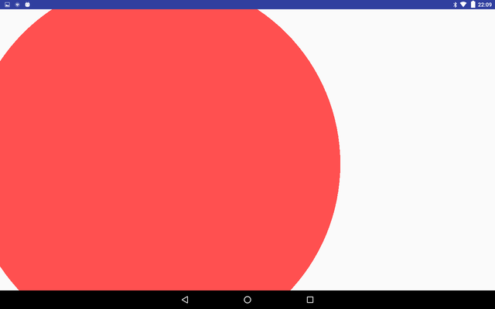

Code 1 | private GestureDetector gestureDetector; @Override protected void onCreate(Bundle savedInstanceState) { super.onCreate(savedInstanceState); LayoutInflater inflater = getLayoutInflater(); setContentView(R.layout.activity_base); gestureDetector = new GestureDetector(this, new GestureDetector.SimpleOnGestureListener() { @Override public boolean onFling(MotionEvent e1, MotionEvent e2, float f1, float f2){ Intent intentsa = new Intent(getApplicationContext(), PaintActivity.class); int color = setTgglBtnColor( tgglBtn.isChecked() ); intentsa.putExtra("color", color); intentsa.putExtra("size", size); startActivity(intentsa); finish(); return true; } });
Code 2 | @Override public boolean onTouchEvent(MotionEvent event) { try { gestureDetector.onTouchEvent(event);
Code 3 | example code screen shot 3 (if needed)

 | Add more app or code screen shots if you need to.
 | Anything special about the way this task was done?

Task 6
Screen | Description
0 | Use Menus & Conext Menu

Screen | 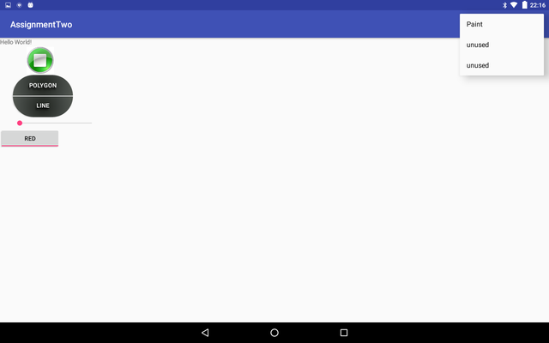

Code 1 | <?xml version="1.0" encoding="utf-8"?> <menu xmlns:android="http://schemas.android.com/apk/res/android" > <item android:id="@+id/paint" android:orderInCategory="101" android:title="@string/paint_activity"/> <item android:id="@+id/two" android:orderInCategory="104" android:title="@string/unused"/> <item android:id="@+id/three" android:orderInCategory="105" android:title="@string/unused"/> </menu>
Code 2 | @Override public boolean onCreateOptionsMenu(Menu menu) { MenuInflater inflater = getMenuInflater(); inflater.inflate(R.menu.menu, menu); android.util.Log.d(TAG, "BA.onCreateOptionsMenu"); return super.onCreateOptionsMenu(menu); } @Override public boolean onOptionsItemSelected(MenuItem item){ android.util.Log.d(TAG, "BA.onOptionsSelected"); switch (item.getItemId()) { case R.id.paint: Intent intentsa = new Intent(getApplicationContext(), PaintActivity.class); int color = setTgglBtnColor( tgglBtn.isChecked() ); intentsa.putExtra("color", color); intentsa.putExtra("size", size); startActivity(intentsa); finish(); return true; case R.id.two: //downloadRSSFeed(); return true; case R.id.three: Toast.makeText(BaseActivity.this, "Unused menu option", Toast.LENGTH_SHORT).show(); return true; } return super.onOptionsItemSelected(item); }
Code 3 | example code screen shot 3 (if needed)

 | Add more app or code screen shots if you need to.
 | Anything special about the way this task was done?

Task 8
Screen | Description
0 | Advanced feature: Implement a background service including notification to the user from a such a service OR an advanced feature of your choosing

Screen | 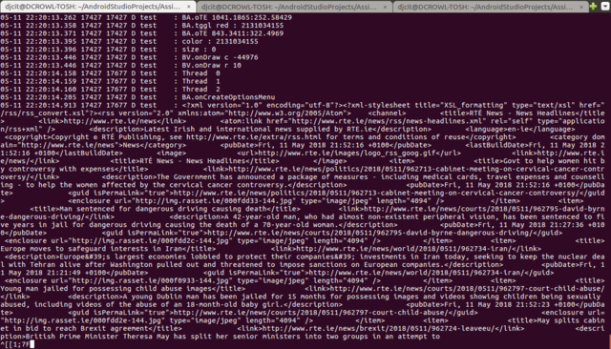 EXAMPLE: Screen shot of the functionality working (use widows snipping tool or equivalent on your OS) | 0

Code 1 | Thread downLoadService = new Thread(new Runnable() { // After call for background.start this run method call public void run() { try { Log.d(TAG, "Thread 0 " ); URL url = new URL("https://www.rte.ie/news/rss/news-headlines.xml");//http://syndication.indianexpress.com/rss/latest-news.xml"); HttpURLConnection con = (HttpURLConnection) url.openConnection(); con.setRequestMethod("GET"); Log.d(TAG, "Thread 1 " ); con.connect(); Log.d(TAG, "Thread 2 " ); InputStream is = con.getInputStream(); Log.d(TAG, isStream(is)); } catch (Throwable t) { // just end the background thread Log.d(TAG, "Thread exception " + t); } } }); String isStream(InputStream is){ if (is != null) { StringBuilder sb = new StringBuilder(); String line; try { BufferedReader reader = new BufferedReader( new InputStreamReader(is, "UTF-8"), 8 * 1024); while ((line = reader.readLine()) != null) { sb.append(line);// .append("\n"); } } catch (Exception e) { e.printStackTrace(); } //Log.d(TAG,"BA.downloadRSSFeed " + sb.toString()); return sb.toString(); } return "qw"; }
Code 2 | code screen shot 2 (if needed)
Code 3 | example code screen shot 3 (if needed)

 | Add more app or code screen shots if you need to.
 | Anything special about the way this task was done?

